1. Title Page
[Project Name]

Project Name: Intsacart Project
Date: 07.05.2024
Analyst Name: Lemlem H.

Contents:
Population Flow
Consistency checks
Wrangling steps
Column derivations
Visualizations
Recommendations

Data Sources:
- “The Instacart Online Grocery Shopping Dataset 2017”, Accessed from www.instacart.com/datasets/grocery-shopping-2017 via Kaggle on 07.05.2024.
- Additional Data: Fabricated customer data

2. Population Flow
Title page

Population flow

Exclusion flag
Condition: max_order <
Obervations to be removed:
Final total count of order_products_all:

Orders_products_combined
Orders_products_merged
Orders_products_all

Total: 32404859
Total: 32434489
Total: 30629741

1.) The grey boxes in the first row of the population flow represent the original data sets as they were when you downloaded them. In the Total fields you need to add the count of the rows when you imported the data set into Jupyter.
2.) The second row of boxes (coloured) represents the data sets after you manipulated them, e.g., removed missing values and duplicates. In the Total fields you need to add the count of the rows after conducting these operations. This offers a visual oveview of how the data flows throughout the data consistency checks.
3.) The third row, where also the arrows are coloured, represents the merges you performed between the datasets. In the Total fields you need to add the count of the rows in the merged datasets, so that you end up with the final dataset (in the red box). Keep in mind the final dataset should be without exclusions (based on the exclusion flag).

3. Consistency checks
 |  |  |  | Title page
Consistency checks

Dataset | Missing values | Missing values treatment | Duplicates
orders | product_name | Filtering out observation with missing value | Dropped
products | days_since_prior_order | Imputed with a value of '0' | No duplicates
orders_products_prior
customers

4. Wrangling steps
 |  |  |  | Title page
Wrangling steps

Columns dropped | Columns renamed | Columns' type changed | Comment/Reason
eval_set ( df_ords) | order_dow (df_ords) to orders_day_of_week | order_id ( df_prods) to str
 | order_hour_of_day (df_ords) to hour_at_time_of_order | user_id ( df_ords) to str

5. Column derivations
 |  |  |  | Title page

Column derivations and aggregations

In this tab you should add tables below that the frequences of flags/label variables that you produced after deriving them. NB: don't do this for continuous variables, only for flags.
Dataset | New column | Column/s it was derived from | Conditions
df_ords_prods_merge | price_range_loc | prices | if row['prices'] <= 5: return 'Low-range product' elif (row['prices'] > 5) and (row['prices'] <= 15): return 'Mid-range product' elif row['prices'] > 15: return 'High range' else: return np.nan
df_ords_prods_merge | busiest_day | orders_day_of_week | for value in df_ords_prods_merge["orders_day_of_week"]: if value == 0: result.append("Busiest day") elif value == 4: result.append("Least busy") else: result.append("Regularly busy")
df_ords_prods_merge | busiest_days | orders_day_of_week | for value in df_ords_prods_merge["orders_day_of_week"]: if value == 0 or value==1: result.append("Busiest days") elif value == 4 or value==3: result.append("Slowest days") else: result.append("Regularly days")
df_ords_prods_merge | busiest_periods_of_day | hour_at_time_of_order | for value in df_ords_prods_merge["hour_at_time_of_order"]: if value >= 8 and value <=19 : result.append("Most orders") elif value >=2 and value<= 5: result.append("Fewest orders") else: result.append("Average orders")
ords_prods_merge_derived dataset imported as ords_prods_merge | max_order | order_number | ords_prods_merge['max_order'] = ords_prods_merge.groupby(['user_id'])['order_number'].transform(np.max)
ords_prods_merge_derived dataset imported as ords_prods_merge | loyalty_flag | max_order | ords_prods_merge.loc[ords_prods_merge['max_order'] > 40, 'loyalty_flag'] = 'Loyal customer' ords_prods_merge.loc[(ords_prods_merge['max_order'] <= 40) & (ords_prods_merge['max_order'] > 10), 'loyalty_flag'] = 'Regular customer' ords_prods_merge.loc[ords_prods_merge['max_order'] <= 10, 'loyalty_flag'] = 'New customer'
ords_prods_merge_derived dataset imported as ords_prods_merge | avg_spending | prices | ords_prods_merge['avg_spending'] = ords_prods_merge.groupby(['user_id'])['prices'].transform(np.mean)
ords_prods_merge_derived dataset imported as ords_prods_merge | spending_flag | avg_spending | ords_prods_merge.loc[ords_prods_merge['avg_spending'] < 10, 'spending_flag'] = 'Low spender' ords_prods_merge.loc[ords_prods_merge['avg_spending'] >= 10, 'spending_flag'] = 'High spender'
ords_prods_merge_derived dataset imported as ords_prods_merge | ord_freq | days_since_prior_order | ords_prods_merge['ord_freq'] = ords_prods_merge.groupby(['user_id'])['days_since_prior_order'].transform(np.median)
ords_prods_merge_derived dataset imported as ords_prods_merge | order_flag | ord_freq | ords_prods_merge.loc[ords_prods_merge['ord_freq'] > 20, 'order_flag'] = 'Non-frequent customer' ords_prods_merge.loc[(ords_prods_merge['ord_freq'] <= 20) & (ords_prods_merge['ord_freq'] > 10), 'order_flag'] = 'Regular customer' ords_prods_merge.loc[ords_prods_merge['ord_freq'] <= 10, 'order_flag'] = 'Frequent customer'

6. Visualizations
Title page

Visualisations

In this tab you should include all the visualtions from Exercises 4.9 and 4.10, alongside the questions from the project brief that they answer. Include any commentary on the relationship between different variables.

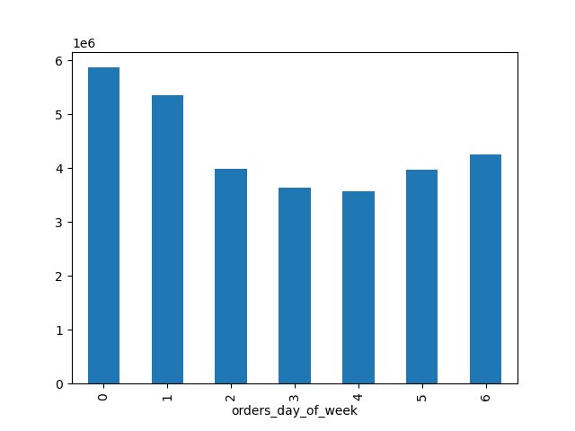


Saturday and Sunday are the busiest days.
The slowest period is between 15 and 0 o'clock.

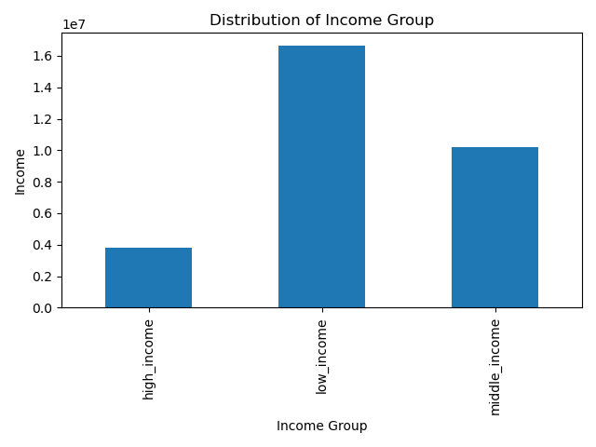
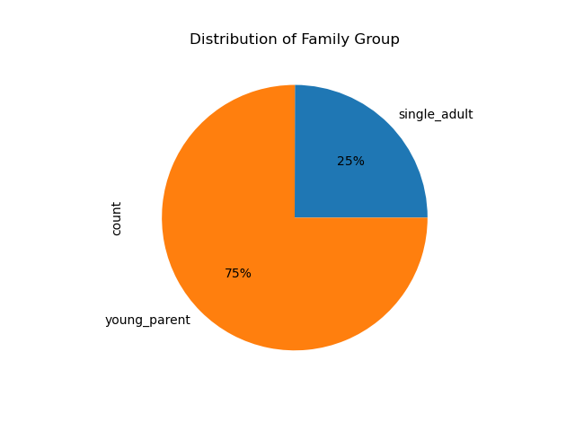
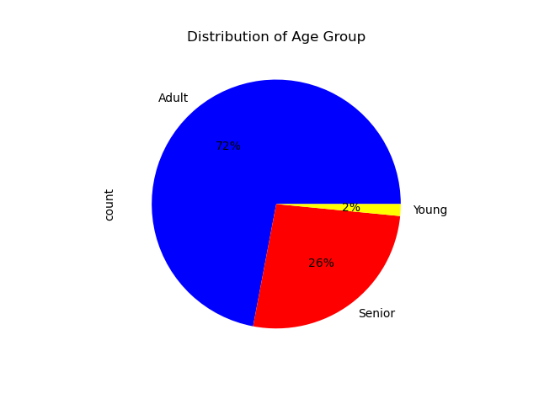

The majority of customers are young parents
The majority of customers are adults

The majority of customers are in ow income group.
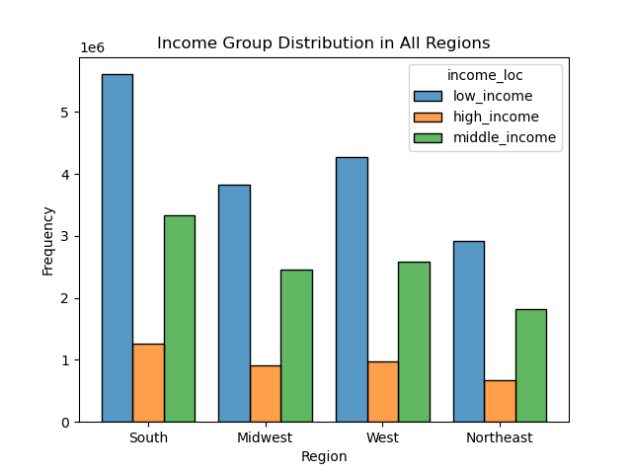
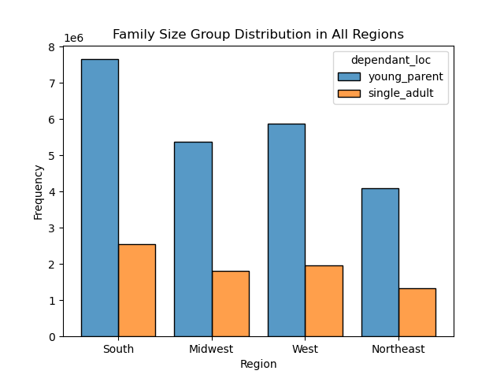
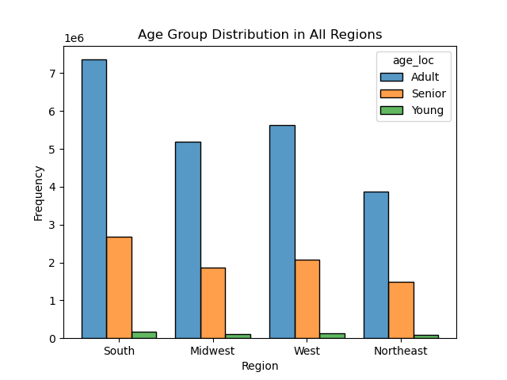

The majority of customers are in the south region. The age distribution is comparable.

The family size distribution is comparabe across the regions.
The majority of customers in the south are catagorized into low-income grooup.

7. Recommendations
 |  | Title page

Recommendations

In this tab you should include any recommendations you would made to Instcart in terms of their marketing strategy based on the questions posed in the brief. Every key question has been covered in the Tasks of the Exercises - here you need to add an item - a visualisation or table/crosstable that is showing the answer in the data, acompanied by a comment from you. Please, list the questions below and add the answer underneath.

Q1. The sales team needs to know what the busiest days of the week and hours of the
day are (i.e., the days and times with the most orders) in order to schedule ads at
times when there are fewer orders.
A1. Saturday and Sunday are the busiest days.
A1. The time between 1am and 3pm are the busiest hours.
Question | Answer
Key Question 1
Key Question 2
Key Question 3
Key Question 4
Key Question 5
Key Question 6
Key Question 7

Recommendations
-Promotion on less busy days (i.e., Tuesday and Wednesday), on less busy hours (i.e., between 3pm and mid-night) would help to increase sell.
- As the majority of customers are young parents, promotion on chid food products may help to increase sell.

